Sheet1
Dashboard requirements

Information and data |  |  |  | Architecture

Supply |  |  |  |  |  |  |  |  |  |  | Dashboard | JavaScript | Prepared data | Python | Raw data | Python
Coal generation |  | Current generation |  |  |  |  |  | Fetch data on startup of dashboard; fetches the last 24 hours of data
Gas generation |  | Forecast generation |  |  | Elexon |  | Other sites
Nuclear generation |  | Outages |  |  |  |  |  |  |  |  |  | demand_scripts.js | 1620data.json |  | B1620.csv |  | B1620_fetch.py
Solar |  |  |  |  |  |  |  | When running, update and fetch latest data every 1 hour |  |  |  | 27 |  |  |  |  | 42
Wind |  |  |  |  | REST API |  | Python; script to automatically fetch data |  |  |  | index.html
Hydro |  |  |  |  |  |  |  |  |  |  | 195 | frequency_chart.js | frequency.json |  | MID.csv |  | elexon_fetch.py
Embedded generation |  |  |  |  |  |  |  | On hourly update will only want to fetch and update the latest data, not 24 hours worth every time |  |  |  | 63 |  |  | B1770.csv |  | 126
Interconnectors |  |  |  |  | Excel | Raw data files
 |  |  |  |  |  |  | Python: numpy |  |  |  |  | spot_chart.js | priceData.json |  | forecast_dem.csv
Demand |  |  |  |  |  |  |  |  |  |  |  | 132 |  |  |  |  | dem_gen_fetch.py
Residential |  | Current demand |  |  | Excel | Clean data file |  |  |  |  | css |  |  | import_data.py | forecast_gen.csv
Industrial |  | Forecast demand |  |  |  |  | Python: matplotlib, seaborn |  |  |  |  | forecast_dem_chart.js | forecast_dem.json | formats raw data and saves into json format for Highcharts |  | main_fetch.py
Interconnectors |  |  |  |  |  |  |  |  |  |  |  | 132
 |  |  |  |  |  | Data analysis and graphing
Pricing |  |  |  |  |  |  | Javascript; nodejs, html, css, highcharts |  |  |  | styles.css | forecast_gen_chart.js | forecast_gen.json | 98
Spot price |  |  |  |  | Host locally, view in browser |  |  |  |  |  | 172 | 224 |  |  | interconnector.csv
Cashout price |  |  |  |  |  |  |  | Turn data into JSON format to read into browser |  |  |  |  |  |  |  |  | interconnector_freq_fetch.py
Futures price (M+1, Q+1, S+1) |  |  |  |  |  | Dashboard |  |  |  |  | toolkit.css | interconnector_chart.js | interconnector.json |  | frequency.csv
Gas price |  |  |  |  |  |  |  |  |  |  |  | 138

 |  |  |  | python | python -m SimpleHTTPServer |  |  |  |  |  |  | weather_chart.js | weather.json |  |  |  | weather_fetch.py
Other |  |  |  | node | http-server -c-1 |  |  |  |  |  |  | 191 |  |  |  |  | Fetches, parses and saves to json format
Weather data
 |  |  |  |  |  |  |  |  |  |  |  | custom.js |  |  |  |  | 83
 |  |  |  |  |  |  |  |  |  |  |  | 58
 |  | Dashboard layout
 | Generation |  | Demand |  |  | Pricing |  |  | To do | lines of code | #REF!
 |  |  |  |  |  |  |  | x | Fix x axis labeling
 | Current |  | Current |  | Spot price |  | Cashout price | x | Weather data


 |  |  |  |  |  |  |  |  | Futures market data
 |  |  |  |  | B1770 and MID |  |  | x | Arrange python scripts
 |  | pie charts? |  |  |  | plot of cashout price against MID price |  |  | Make automatic
 |  |  |  |  |  |  |  |  | Comments
 |  | most recent quantity from B1620
 |  |  |  |  | Gas price

 | Forecast |  | Forecast |  | Futures
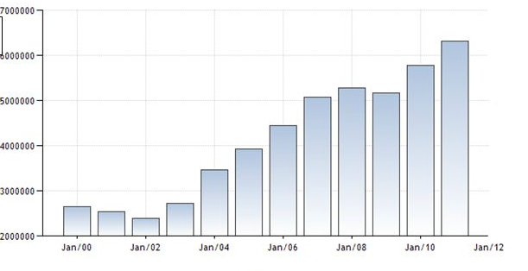
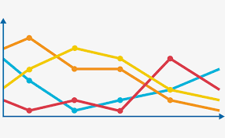

 | Outages |  | Weather |  | News

